Dashboard
 | Offer Accepted | Offer Declined | Offer Response Pending
Engineering | 10 | 8 | 2
Finance | 2 | 1
Operations | 3 | 2
Product | 4 | 3
Sales | 3 | 4
 | Offer Accepted | Offer Declined | Offer Response Pending | (blank)
Bachelors | 30 | 18 | 2
JD | 1
Masters | 7 | 6 | 6
PhD | 11 | 8 | 4
Bachelors | 9 | 5
Masters | 5 | 5
PhD | 4 | 3
(blank) | 1
1 | Accepted offers in 2018 and offer acceptance rate |  | 2 | Campus candidates progress, Differences of candidate types |  |  | 3 | Goal: cloud software,Potential recruiting areas to focus .
 | Engineering | Product
Bachelors | 30 | 5
Masters | 3 | 1
PhD | 15 | 7
 |  |  |  |  |  |  |  |  |  | DASHBOARD

Offer Accepted Over Years
 | Offer Accepted
2016 | 16
2017 | 28
2018 | 22
2019 | 2
 |  |  |  |  |  |  |  |  | 4 | Other Relevant thoughts on Data

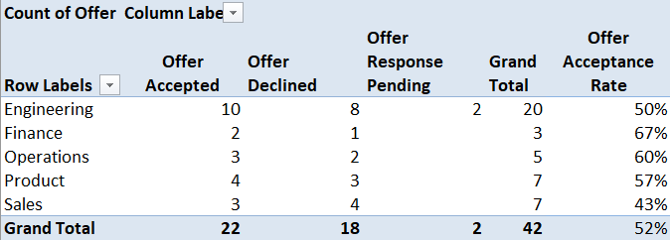
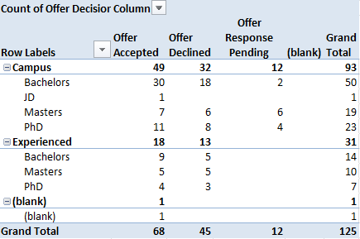
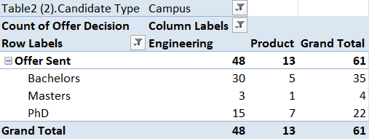

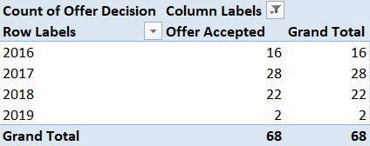

KEY FINDINGS |  |  | KEY FINDINGS |  |  |  | KEY FINDINGS
1 | Offers accepted in 2018 | 22 | 1 | Campus : | Accepted,Declined,Pending | 49,32,12 | 1 | Taken Engineering and Product Departments for cloud
2 | Overall offer acceptance rate | 52% | 2 | Experience: | Accepted,Declined,Pending | 18,13,0 | 2 | Offers sent for all Campus students in :
3 | Department with highest acceptance rate | Finance -> 67% | 3 | Difference | For campus 52% and for experienced 58% accepted |  |  | Engineering: 48 ; Product: 13

explain
 |  |  | CAMERON REFERENCE EXPLANATION

1) | How many people accepted offers in each department in 2018 and what was the offer acceptance rate? |  | 2) | How are campus candidates progressing through the recruiting process? Are there any notable differences across certain types of candidates over the past few years? |  |  |  | 3) | Given the firm's goal of further developing our cloud-based software suite, what changes or potential areas of focus do you recommend for recruiting in the upcoming campus season? |  |  |  | 4) | Other relevant findings:

 | Offer Accepted
2016 | 16
2017 | 28
2018 | 22
2019 | 2
 |  |  |  |  |  |  |  |  |  |  |  |  | Ans) | Graph of people who have been accepted into Cameron over the years.
Ans) | Combine Offer Status Data and Recruiting Activity Data table, and set filter for 2018.
 |  |  | Ans) | Combine Offer Status Data and Recruiting Activity Data table, and compare Campus and Experienced types with Highest Degree
 | > Matching coloumn in both tables is Candidate ID Number |  |  |  |  |  |  | Ans) | For Cloud Based Suite, the department of study essential are ENGINEERING and PRODUCT.
 | > Use POWER QUERY to merge both the tables with necessary columns.
 |  |  |  | > Combine Position Title, Department, Furthest Recruiting Stage Reached, Highest Degree, Candidate Type from table Recruiting Activity Data with Offer Decision in Offer Status Data table. |  |  |  |  | > Compare the count of OFFERS SENT and HIGHEST DEGREE with respect to both the departments.
 | > Create a new column Year and apply filter for YEAR = 2018
 |  | "=YEAR([@[Offer Date]])" |  |  |  |  |  |  | > See how many people have received an offer in Engineering and Product
 | > Create a PIVOT TABLE with columns Candidate ID, Offer Date, Offer Decision, Department, Year to summarize the datas.
 |  |  |  | > Keep filter as Offer Sent to view all the people who have been selected |  |  |  |  | > With respect to Highest Degree, the percentage of each person's completed degree, we can know the greater percentage of category who have been accepted.



 |  |  |  |  |  |  |  |  |  |  |  |  |  | Accepted people over the Years

 | > Offer Acceptance Rate Formula:
 | Divide the number of people who accept an offer by the total number of offers extended to candidates. Then multiply that number by 100 to get your percentage. |  |  |  |  |  |  |  | > This idea gives the acceptance percentage as:

 |  |  |  | > OUTPUT: |  |  |  |  |  |  | Engineering | Product
 | "=GETPIVOTDATA("Offer Decision",$A$3,"Offer Decision", "Offer Accepted","Department","Engineering")/ GETPIVOTDATA("Offer Decision",$A$3, "Department","Engineering")" |  |  |  | ACCEPTED | DECLINED | PENDING |  |  | Bachelors | 62% | 38%
 |  |  |  | CAMPUS | 52% | 33% | 12% |  |  | Masters | 6% | 7%
 |  |  |  | EXPERIENCED | 58% | 41% | 0% |  |  | PhD | 31% | 53%

p1
Year | 2018

Count of Offer Decision | Column Labels |  |  |  | Offer Acceptance Rate
Row Labels | Offer Accepted | Offer Declined | Offer Response Pending | Grand Total
Engineering | 10 | 8 | 2 | 20 | 50%
Finance | 2 | 1 |  | 3 | 67%
Operations | 3 | 2 |  | 5 | 60%
Product | 4 | 3 |  | 7 | 57%
Sales | 3 | 4 |  | 7 | 43%
Grand Total | 22 | 18 | 2 | 42 | 52%

 | Offer Accepted | Offer Declined | Offer Response Pending
Engineering | 10 | 8 | 2
Finance | 2 | 1
Operations | 3 | 2
Product | 4 | 3
Sales | 3 | 4

p2
 | Offer Accepted | Offer Declined | Offer Response Pending | (blank)
Bachelors | 30 | 18 | 2
JD | 1
Masters | 7 | 6 | 6
PhD | 11 | 8 | 4
Bachelors | 9 | 5
Masters | 5 | 5
PhD | 4 | 3
(blank) | 1
Count of Offer Decision | Column Labels
Row Labels | Offer Accepted | Offer Declined | Offer Response Pending | (blank) | Grand Total
Campus | 49 | 32 | 12 |  | 93
Bachelors | 30 | 18 | 2 |  | 50
JD | 1 |  |  |  | 1
Masters | 7 | 6 | 6 |  | 19
PhD | 11 | 8 | 4 |  | 23
Experienced | 18 | 13 |  |  | 31
Bachelors | 9 | 5 |  |  | 14
Masters | 5 | 5 |  |  | 10
PhD | 4 | 3 |  |  | 7
(blank) | 1 |  |  |  | 1
(blank) | 1 |  |  |  | 1
Grand Total | 68 | 45 | 12 |  | 125

p3
Table2 (2).Candidate Type | Campus
Count of Offer Decision | Column Labels
Row Labels | Engineering | Product | Grand Total
Offer Sent | 48 | 13 | 61
Bachelors | 30 | 5 | 35
Masters | 3 | 1 | 4
PhD | 15 | 7 | 22
Grand Total | 48 | 13 | 61

YR
Count of Offer Decision | Column Labels
Row Labels | Offer Accepted | Grand Total
2016 | 16 | 16
2017 | 28 | 28
2018 | 22 | 22
2019 | 2 | 2
Grand Total | 68 | 68

